Bug report
Title | there are two fields (color and size) not filled automatically in automated products
steps to reproduce | 1.Click on item URL button. 2.Enter the product link (https://www.6pm.com/p/product/9409514).
Expected results | All fields are filled automatically and User can’t edit the automated details except for the item price.
Actual results | All fields are filled automatically except for the item color and size.
Test environment | Windows 10 - chrome - Wi-Fi
priority | Medium
Type | Functional
Severity | low
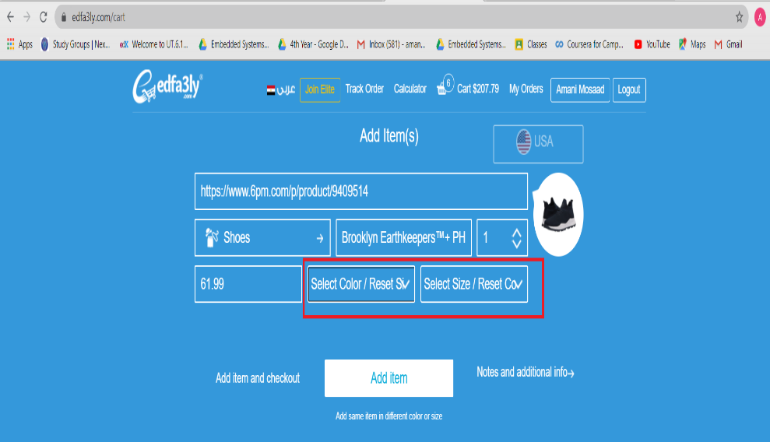
Screenshot

